ESP01
https://www.instructables.com/Getting-Started-With-the-ESP8266-ESP-01/

https://randomnerdtutorials.com/esp8266-pinout-reference-gpios/
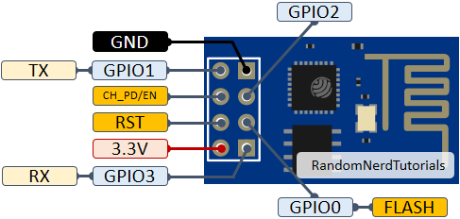

 | GPIO2 | high at boot, onboard pullup. Boot fails if held low.
 | GPIO0 | high at boot, onboard pullup. Boot fails if held low.

 | GPIO3 | RX, high at boot
 | GPIO1 | TX, high at boot. Boot fails if held low.

 | OK, so the ZC detector is an issue. Its constantly pulsing low/high with the
 | AC cycle so in principle it can only be connected to GPIO3

 | Pin assignments could be

It needs a 3v3 supply. You can program it by hooking it up to a NodeMCU board | GPIO0 | X10 output, drive active low
usable pins | GPIO1 | spare
 | GPIO2 | X10 input from filter/decoder. Might cause boot issues if X10 transmissions are on AC line at boot
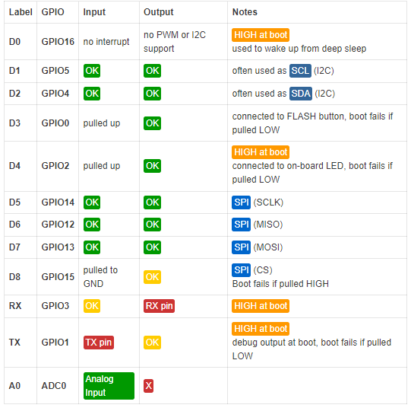
 | GPIO3 | ZC detect

 | The alternative, given that we have 4N36 with exposed base connection
 | is to have an RC pull/down to wire-or this with the AC line signal.
 | i.e. we need to invert it via a PNP such that on boot the NPN opto drives
 | the PNP off so that GPIO sees high.

 | if ultimately we chose to forgo the opto and just have a resistor to Live with diode clamps
 | then we can only use the GPIO3 pin. So may as well do this now.

 | For POC tests we should use the NodeMCU

 | 250VAC to 3v3 dc
 | https://www.ebay.com.au/itm/322858280448?hash=item4b2bda6600:g:ZzEAAOSwmkpZ-Z0r&amdata=enc%3AAQAHAAAA4HiDgviseX6fim0wn8tinncnMhFQhBCrBiM%2Fs5DiUmcjQhqBz8JBpNGU8EyeyJZGxxF1G8wCS0IbEs6p2zoU8yb546irvJONDCcaNVTL9hQunw8MbsNdYKapR7KkuM67yzn%2FnzvTNHapgOc7cnrg9c7hJOiSEPKxnA3FuIn4chQQoQ8sLBWZZ3KCvWshAGUo5imc5KTDCvJpByBe4CjNrfG%2BoEc%2BBfNokcJZBh3sKm3X2qWzWkfaO5R6MGPcCOH5P4F4Ipdum6XOec1DnfM7as38%2BLfnxbx%2F6pzekfp0G525%7Ctkp%3ABFBMpPHQyZdg

 | https://www.ebay.com.au/itm/323030724776?_trkparms=amclksrc%3DITM%26aid%3D1110006%26algo%3DHOMESPLICE.SIM%26ao%3D1%26asc%3D239193%26meid%3Dac6c3e24636b436f8be805a098f03b5e%26pid%3D101195%26rk%3D3%26rkt%3D12%26sd%3D322858280448%26itm%3D323030724776%26pmt%3D1%26noa%3D0%26pg%3D2047675%26algv%3DSimplAMLv9PairwiseWebMskuAspectsV202110NoVariantSeed%26brand%3DUnbranded&_trksid=p2047675.c101195.m1851&amdata=cksum%3A323030724776ac6c3e24636b436f8be805a098f03b5e%7Cenc%3AAQAHAAABEM62y5oF87QoT6OYoyXNw4izfwJ%252BpKoHqvAE4CZ11ciMz0vIp%252FQWhPX3NCmG8yHrUB1vjHclAO2EQMM6B%252Bf2AbVsRDIMWoO8MXg6O%252FAIRjZKWUWZ%252BOB8HbU4HW27tOT9LWxgWeYoh4cJL812hJywUzNLEzIKPPdJxYyHaLX1wW9ECdUOg46YiB4NXcKRV7rWy2HPiQNGoNJI4o3U7VDW%252BN2gJzqdHwz%252BYjUiVbt1Wq7uGmUwmjS2wQz8OBXx5YRTUmF%252F9rQDxHrVw%252FF1fhmimr38h6E5HkL19ZYbNnAXWhqEaPyEeu41SsIUiIEY5v9GLEnXq%252BtWOozm7UhP9d4GZPhIb5HoaIsfN8ZuBkpMRzmt%7Campid%3APL_CLK%7Cclp%3A2047675

parts and pcb
3v3 1A PSU
https://www.aliexpress.com/item/32408565688.html?spm=a2g0o.search0304.0.0.15665d634dh2kD&algo_pvid=bcffa7cf-43a5-423e-8a66-037230a47d1c&algo_exp_id=bcffa7cf-43a5-423e-8a66-037230a47d1c-0&pdp_ext_f=%7B%22sku_id%22%3A%2210000000247623921%22%7D&pdp_npi=2%40dis%21AUD%21%213.32%21%21%211.83%21%21%402101e9d416527914751233029e1210%2110000000247623921%21sea

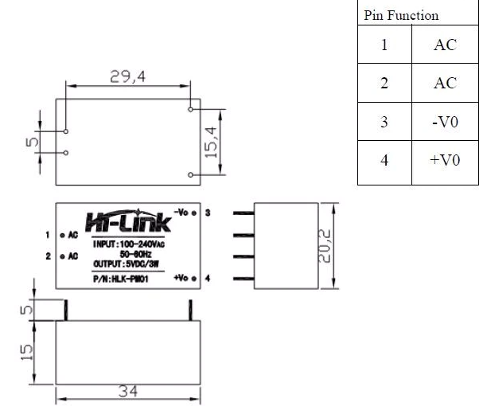

 |  |  |  |  |  |  |  |  |  | so 30 x 20mm x 15mm high

 |  |  |  |  |  |  |  |  |  | can use to drive an ESP01

 |  |  |  |  |  |  |  |  |  | ESP-01 design is not isolated from mains.

 |  |  |  |  |  |  |  |  |  | GPIO2 | high at boot, onboard pullup. Boot fails if held low.
 |  |  |  |  |  |  |  |  |  | GPIO0 | high at boot, onboard pullup. Boot fails if held low.
 |  |  |  |  |  |  |  |  |  | GPIO3 | RX, high at boot
 |  |  |  |  |  |  |  |  |  | GPIO1 | TX, high at boot. Boot fails if held low.

 |  |  |  |  |  |  |  |  |  | problem is all these pins are inputs at boot, some have pullups, usually 12k
 |  |  |  |  |  |  |  |  |  | http://www.forward.com.au/pfod/ESP8266/GPIOpins/ESP8266_01_pin_magic.html

 |  |  |  |  |  |  |  |  |  | GPIO1 outputs a short debug message on boot, so it always boots as an output.

 |  |  |  |  |  |  |  |  |  | for ZC, if you want to drive enough current to overcome the 12k, you immediately
 |  |  |  |  |  |  |  |  |  | will be pulling that pin low at 50Hz.

 |  |  |  |  |  |  |  |  |  | So, the only way to reliably deal with ZC is to use an FET transistor to buffer
 |  |  |  |  |  |  |  |  |  | the ZC signal, and put a time delay on it also.
 |  |  |  |  |  |  |  |  |  | i.e. use a high side npn for the supply side and put an RC delay on its bias.

 |  |  |  |  |  |  |  |  |  | with the opto isolated ZC, I am already using a 5v supply and a FET, but
 |  |  |  |  |  |  |  |  |  | I can put an RC-delay into the base of the opto to hold it on
 |  |  |  |  |  |  |  |  |  | for a while at boot

 | output drive
 | app note says 2n2222 as the drive transistor
 | can we use 4n36 directly?

 |  | 2n2222 | 4n36 |  |  |  |  |  |  |  | we drive 5v into 50ohm then into the collector
 | VCEO | 40 | 30
 | Ic | 1A | 50mA |  | the peak can be 100mA. Am not confident this is enough.
 | hfe | 400 | x
 | ctr | x | 50
 | switch time | 10nS | 10uS

 | 4n36 has a 10uS switching time
 | that is a concern, because we want to put 100kHz through it, which is |  |  |  |  |  |  |  |  | 143000 | 6.993006993E-06
 | 100,000

 | 6N137A | is a high speed optocoupler, the output is not a transistor, it’s a logic gate which can also be strobed
 |  | its available from element14.

 | but this is a bit of a pain. We might be better off using non isolated PIC12F683 to detect ZC event (don't need two diodes)
 | and to generate 120kHz bursts using its PWM device. It can drive 25mA per pin.

 | If we want one-way comms, then we can send serial via an opto into the PIC. It can simply accept house commands etc
 | and send these to line. It means we replace one opto, which is the equivalent price of a PIC.

 |  |  |  |  |  |  | 8MHz internal clock
 |  |  |  |  |  |  | PR2 values are |  | 0-255
 |  |  |  |  |  |  | TMR2 prescale |  | 1,4 or 16

 | 0.0000065 |  | PR2 | prescale | period | freq |  | I need 120khz
 | 153846.15385 |  | 9 | 1 | 0.000005 | 200,000
 |  |  | 15 | 1 | 0.000008 | 125,000 | 1.04
 |  |  | 16 | 1 | 0.0000085 | 117,647 | 0.98 |  | closest

 |  |  | you can detune the clock a bit 32 steps, but you'd want to write code to have it self-tune and store the discovered value in EEPROM
 |  |  | or maybe it could work out a multiple of 100Hz cross events |  |  |  |  |  | YUP

 | note that the ESP8266 has a max PWM freq of 1kHz, so there's no way it can generate the 120kHz pulses.
 | have to use a PIC

 |  |  | self tune, you'd need to be aware of PWM timeouts, and use these to compare to ZC event counter
 |  |  | you'd set a new TUN value, then watch a number of PWM timeouts between ZC events bearing in mind the freq takes
 |  |  | time to adjust. You don't want to hunt around.

 | But… this is all just replicating the stupid CM12 thing that I cannot get to work.

D1 mini
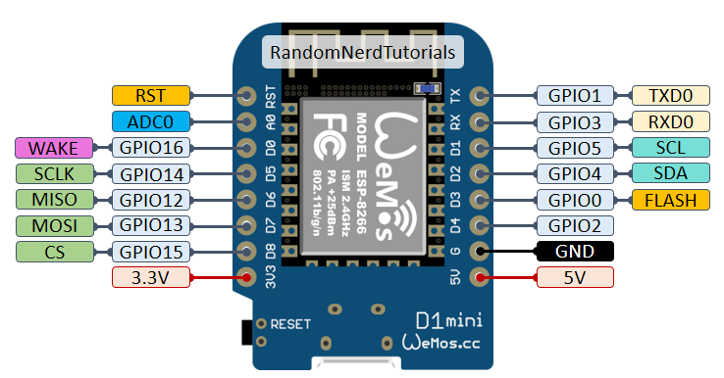

Similar price ,this has more pins and is not that much bigger than an ESP-01
also can be fed 5v or 3v3

design
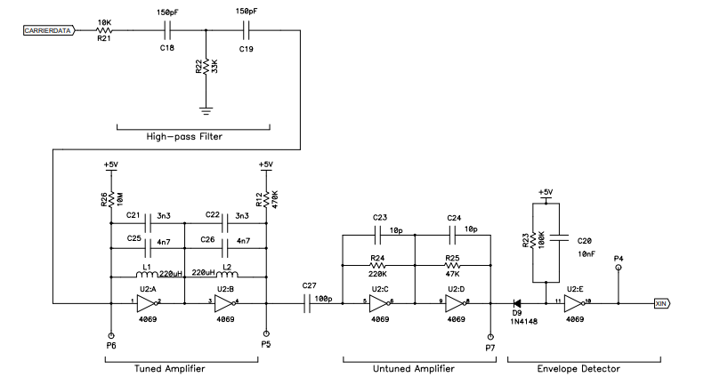
Design concepts

You can buy Wifi-to-X10 units, but they are 110 usd plus postage and the US ones won't work in AU. Not worth it anyway as X10 is obsolete.

This is a wifi bridge to X10
It will get the time from the internet | https://lastminuteengineers.com/esp8266-ntp-server-date-time-tutorial/
will have a web page (static html with json websocket for dynamic content) to allow control and set up

option: can receive x10 commands (that presupposes the lamp and appliance modules transmit when manually switched)

to build the receiver will require a PCB. So given the expenditure on components (14 aud so far) and the pcb, really its more
cost effective to just buy the 50aud replacement clock.

but hey, I like wasting time on projects, so the first step is to build a TX only unit.

super simple approach
I have an old unit X10 to RS232
presumably its commanded through serial
could add a PIC12F683 as a serial interface and pre-programme this with on/off times for the porch lamp and towel rail.
that's basically all I need

Also known as CM11. |  | or cm12
https://www.envioustechnology.com.au/products/product-detail.php?ID=8

https://www.x10.com/collections/x10-interfaces/products/cm11a

http://www.authinx.com/x10/manuals/CM11A-Programming-Protocol.txt

OR $50 for this bedside clock replacement
https://www.ebay.com.au/itm/352861717931?hash=item52283285ab:g:GLoAAOSwpz9d1hNY

NOTE: Pickit 2 has a serial port. Can use this to play around with the CM12 unit

You could
 | power the pic from a battery, have it sleep most of the time
 | power the pic from the serial port, assuming idle-hi can provide enough power
 | add a RTC module through I2C

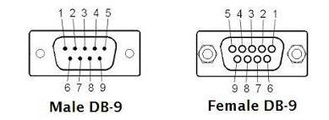
 |  |  | only 4 pins implemented

 |  |  | pin2 | TX from modem
 |  |  | pin3 | RX
 |  |  | pin5 | gnd
 |  |  | pin9 | Ring

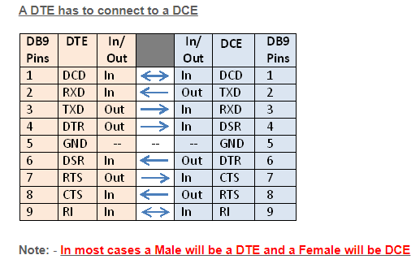

It seems to be 9600 n 8 1
and it sends E6 to poll the PC, means my documentation is bollox

https://www.yo3ggx.ro/spca/spca.html

